Sheet1
Date: | YYYY-MM-DD

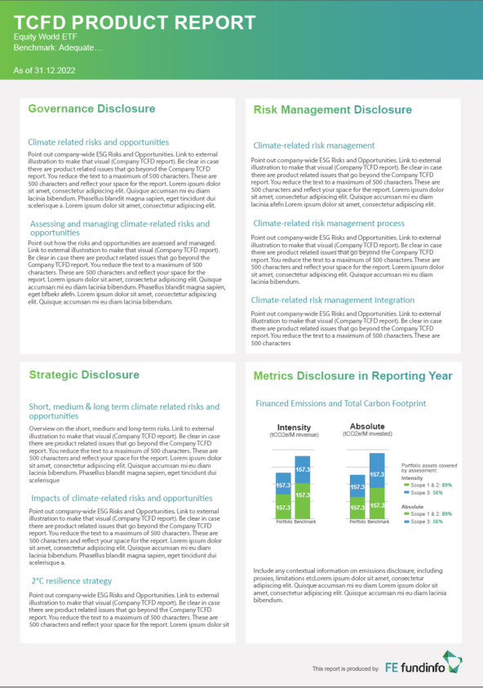
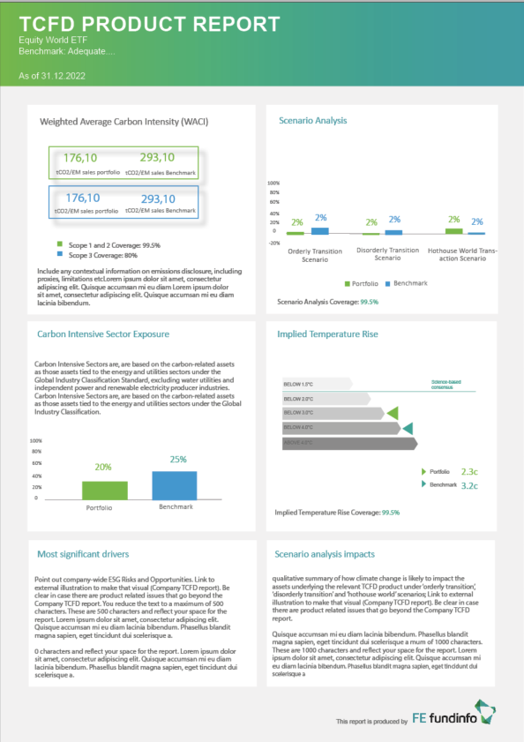
Report Header
Category | Information | Preferred format / Specific need | Client input
Layout
Background of the report | Background color | RGB, HEX (0-0-0) | #f2f2f2
Report Header | Background color | RGB, HEX (0-0-0) / SVG
Boxes background | Background color | RGB, HEX (0-0-0) | #ffffff
Main Header
Main Header
Font
Main Header | Font family | Utf-8 compliant | Arial Bold
Main Header | Font color | RGB, HEX (0-0-0) | #ffffff
Main Header | font size | pts | 23
Report info | Font family | Utf-8 compliant | Arial
Report Info
WACI Number
Report info | Font color | RGB, HEX (0-0-0) | #ffffff
Percentage scale
Report info | font size | pts | 10
Box Header | Font family | Utf-8 compliant | Arial Bold
Box Header | Font color | RGB, HEX (0-0-0) | #282727
Box Header | font size | pts | 14
Unit Text
Section Header | Font family | Utf-8 compliant | Arial Bold
Chart Value
Section Header | Font color | RGB, HEX (0-0-0) | #6b6a6a
Box Header
Box Header
Section Header | font size | pts | 16
Sub Text | Font family | Utf-8 compliant | Arial
Sub Text | Font color | RGB, HEX (0-0-0) | #6b6a6a
Sub Text | font size | pts | 7
Chart Header | Font family | Utf-8 compliant | Arial Bold
Sub Text
Chart Header | Font color | RGB, HEX (0-0-0) | #2e2d2c
Sub Text
Chart Header | font size | pts | 10
Section Header
Unit Text | Font family | Utf-8 compliant | Arial
Unit Text | Font color | RGB, HEX (0-0-0) | #6b6a6a
Unit Text | font size | pts | 7
Coverage Text | Font family | Utf-8 compliant | Arial
Coverage Text | Font color | RGB, HEX (0-0-0) | 6
Sub Text
Coverage Text | font size | pts | #6b6a6a
Science Based Consensus
Chart Text | Font family | Utf-8 compliant | Arial
Chart Text | Font color | RGB, HEX (0-0-0) | 7
Chart Text | font size | pts | #ffffff
Chart Header
Coverage Percentage | Font family | Utf-8 compliant | Arial
Coverage Percentage | Font color | RGB, HEX (0-0-0) | 6
Below 1.5 Colour
Coverage Percentage | font size | pts | #019fa1
Unit Text
WACI Number | Font family | Utf-8 compliant | Maven Pro Bold
Below 2 Colour
WACI Number | Font color | RGB, HEX (0-0-0) | 14
WACI Number | font size | pts | #72b84d / 0098cf
Below 3 Colour
Percentage Scale | Font family | Utf-8 compliant | Arial
Below 4 Colour
Percentage Scale | Font color | RGB, HEX (0-0-0) | 6
Coverage Text
Percentage Scale | font size | pts | #6b6a6a
Above 4 Colour
Chart Value | Font family | Utf-8 compliant | Arial
Sub Text
Chart Value | Font color | RGB, HEX (0-0-0) | 11
Coverage Percentage
Chart Value | font size | pts | #72b84d / 0098cf
Science Based Consensus | Font family | Utf-8 compliant | Arial
Science Based Consensus | Font color | RGB, HEX (0-0-0) | 5
Science Based Consensus | font size | pts | #00a499
Chart Text
ITR Chart Text | Font family | Utf-8 compliant | Arial
ITR Chart Text | Font color | RGB, HEX (0-0-0) | 5
Chart Value
ITR Chart Text | font size | pts | #6b6a6a
Charts
Chart Colour 1 | Chart Colour | RGB, HEX (0-0-0) | #009ace
Chart Colour 2 | Chart Colour | RGB, HEX (0-0-0) | #6cc24a
Portfolio Colour | Chart Colour | RGB, HEX (0-0-0) | #6cc24a
Benchmark Colour | Chart Colour | RGB, HEX (0-0-0) | #009ace
Below 1.5 Colour | Chart Colour | RGB, HEX (0-0-0) | Defined in Docs
Below 2 Colour | Chart Colour | RGB, HEX (0-0-0) | Defined in Docs
Below 3 Colour | Chart Colour | RGB, HEX (0-0-0) | Defined in Docs
Below 4 Colour | Chart Colour | RGB, HEX (0-0-0) | Defined in Docs
Chart Colour 1
Above 4 Colour | Chart Colour | RGB, HEX (0-0-0) | Defined in Docs

Chart Colour 2
Sub Text

